UCDB
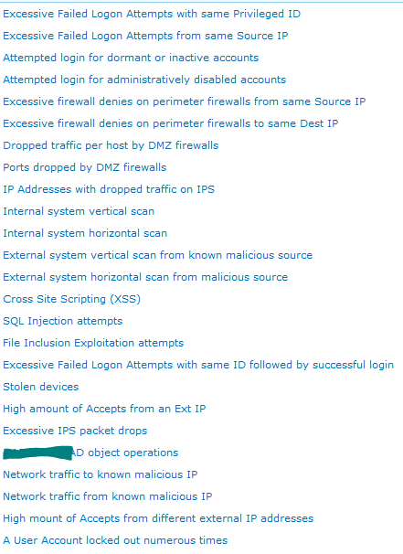
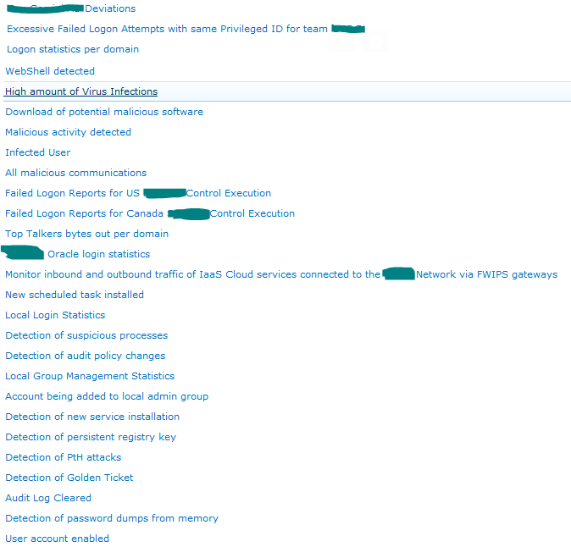
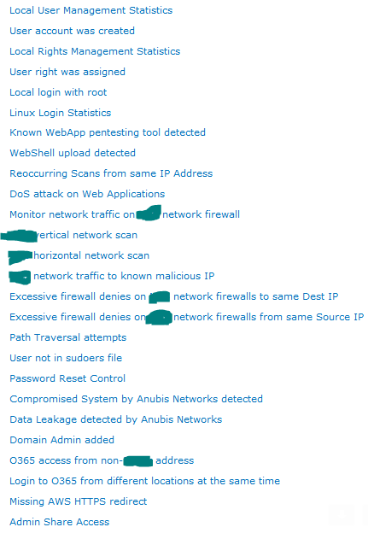
To Catch a Penetration Tester - 2016 SUBMITTED USE CASES
Simplified SIEM Use Case Management Spreadsheet Format
Number | Title | Derby Presented | Primary Data Source | Description & Goal | Pseduo Code/Logic/Sample Query | Reference URL | Responsible Group (Typical) | Responsible Group Procedure (Typical) | Credit
1 | Potential Lateral Movement - User Password Spraying | Top 10 | Any Authentication Source (AD, Unix, radius, etc…) | Password spraying involves attempting to login with only one (very strategically chosen) password across all of the domain accounts. This allows an attacker to attempt many more authentication attempts without locking out users. | logsource = AD Domain controller logsWindows Security logs attacker_IP = source IP with multiple failed log ons count = 0 while (count <= 10) if ( windows_event_id = 4625 && attacker_IP =src_IP && User_Account_Name NOT IN Password_Spray_List) then increment count else alert ("Potential Compromised Account - User Password Spraying _ 10 failed logon from same source IP on diffrent user accounts") | http://www.blackhillsinfosec.com/?p=4694 http://securityweekly.com/2011/10/19/domain-user-spraying-and-brute/ http://gosplunk.com/repeated-unsuccessful-logon-attempts-in-linux/ http://gosplunk.com/failed-logins-windows/ | System Administration | Validate activity was unauthorized. If not, escalate to incident handling team. | Lares
2 | Server to Internet Communication (Beyond Baseline or Request Made) | Top 10 | Edge proxy, edge or local firewall logs | Your servers should never talk to the Internet... and when they do, there should be a documented exception in place. An attacker who has compromised an internal host on the organizations network can establish a permanent remote access channel to exfil data. This logic detects when a server makes a request to the internet. Another way to do this is to use edge firewall logs to baseline server traffic. Once baseline is set, review and document the exceptions. When a new connection is established outside of the baselined authorized communications, an alert should be investigated. If firewalls block egress data, use failed/blocked traffic logs. | logsource= IF src_ip IN "server_list" && tcp_port = "80" OR "443") ("border firewall" NOT NULL || "proxy data" NOT NULL" THEN alert("Potentially Compromised System - Direct to External IP Request Detected") | http://security.stackexchange.com/questions/24310/why-block-outgoing-network-traffic-with-a-firewall http://securityskeptic.typepad.com/the-security-skeptic/firewall-best-practices-egress-traffic-filtering.html https://technet.microsoft.com/en-us/library/ee215186%28v=ws.10%29.aspx | Security Operations Center | Rule out false positives and validate communications were authorized. | Nick Antil
3 | New Port Listening on Server Possible Shell | Honerable mention | Vulnerability Scanner | When a webshell or a persistent listener is used, it listens for commands and can be detected through a port scan against baselined systems. | Validate any new open ports with change control documentation. If not an authorized change, escalate and investigate for potential attacker webshell. | None | System Administration | Validate any new open ports with change control documentation. If not an authorized change, escalate and investigate for potential attacker webshell. | Ryan Voloch
4 | Direct Requests to External IP Address |  | Proxy | Most humans aren't good are rememebering randoms numbers - the whole reason DNS was created. So... very rarely should your computer shouldn't request an external IP addresses without a refer tag. | logsource = proxy_logs IF && request CONTAINS "GET || POST" + "/" + " (0-255).(0-255).(0-255).(0-255)" && refer IS NULL THEN alert("Potentially Compromised System - Direct to External IP Request Detected") |  |  | Documented actions to be taken by the recipients/responsible group. | Nick Antil
5 | Authentication with Corporate Credentials to Untrusted Site | Top 10 | User ID List, and List of Sites your employees authenticated to. | Your employess shouldn't be authentication to random domains! If they are, they were probably phished and you should force a password reset on detection! | logsource= proxylogs IF proxylog URL OR PostBody CONTAINS ListofUserIDs && hostname NOT IN hostname whitelist THEN alert("Potential Credentials Compromise - Authenticaiton to Untrusted Internet Site Detected") |  |  | Force account password change if password was given to untrusted site. | Nick Antil / Brett Creasey
6 | Lateral movement by an attacker | Top 10 | Any Authentication Source (AD, Unix, radius, etc…) and endpoint logs | Attacker moves from system to system with the goal of finding one that allows them to gain administrative privileges across multiple systems or an entire domain. Once an attacker has compromised a system, established persistence, and gained legitimate credentials by dumping the hash, he\she can then move laterally across the network to other resources to gather information or to install software on other systems. This is the second part of the pass the hash attack described earlier. Because the attacker is using valid credentials to authenticate over the network, this type of activity can be difficult to detect. One method of detection would be to search for unusual host to host network based logins. Windows logs these events at Type 3 Network logins or if using Remote Desktop Protocol RDP then Type 10 Network logins (EventID 528|529|4624|4625). Once an attacker has compromised a system, established persistence, and gained legitimate credentials by dumping the hash, he\she can then move laterally across the network to other resources to gather information or to install software on other systems. This is the second part of the pass the hash attack described earlier. Because the attacker is using valid credentials to authenticate over the network, this type of activity can be difficult to detect. One method of detection would be to search for unusual host to host network based logins. Windows logs these events at Type 3 Network logins or if using Remote Desktop Protocol RDP then Type 10 Network logins (EventID 528|529|4624|4625). | see reference URL | https://www.sans.org/reading-room/whitepapers/logging/detecting-security-incidents-windows-workstation-event-logs-34262 | System Administration | Validate activity was unauthorized. If not, escalate to incident handling team. | Brett Creasy
7 | Windows Workstation to Workstation Communication | Top 10 | Information Security Analysts | Why would your workstation ever need to talk to eachother? 1.) Maybe one of your accountant that had an IT class in college opened a share on his computer to share files with the other accountants. Do we want to disrupt this traffic? Hell yeah... odd's are those share's configs are wide open and those files are accessible company wide... 2.) Maybe an attacker is attempting to pass-the-hash or RDP from a workstation to a workstation... Either way... you'd probably want to be notified! You should have policy and controls in place such that workstation to workstation communication just shouldn't happen. You can use your Windows firewall logs or other endpoint protection logs to detect when this happens and investigate why it did. | logsource = WinFirewall or EndpointProtection IF src_IP IN ""Workstation_List"" && dst_IP IN ""Workstation_List"" THEN alert(""Potential Lateral Movement - Workstation to Workstation Communication Detected"") | https://scadahacker.com/library/Documents/Best_Practices/NSA%20-%20IA%20-%20Limited%20Workstation-to-Workstation%20Communications.pdf | Information Security Analysts | Review Source System Event Logs for Suspious Behavior | Nick Antil / Brett Creasey
8 | Windows Technical Command Issued by Non-Technical Windows Use |  | Windows logs | This use case assumes that you have access to Windows Systems Event logs - and you totally should. Now... we know the event log is super noisy and process creation events are one of the noisest things logged! So, we need to do some pre-processing of the event log before sending into our main coorelation engine. This is easy to do with some log collection tools out there, really easy with Splunk. You'll want to filter out all 4688 events except those ones you want! So.. some examples of ones to keep... where "New Process Name = net.exe || whoami.exe || tracert.exe". There are different reasons to keep others as well... but that outside of the scope of this use case. So, the ipconfig and whoami comands are pretty standard for your administrators, but.... when your chief legal consel or your HR liason user IDs are running them, somethings up! Using the information found in the Windows Security Event 4688, we can understand when a technical proccess or command commonly used by attackers (and attackers scripts too) are utilized under the account of non-technical users. | logsource=WinEventLogs IF win_event_id= "4688" && (New_Process_Name = "C:\Windows\System32\ipconfig.exe" || New_Process_Name = "C:\Windows\System32\ping.exe" || New_Process_Name = "C:\Windows\System32\whoami.exe" || New_Process_Name = "C:\Windows\System32\Tracert.exe" || New_Process_Name = "C:\Windows\System32\net.exe" || ...) && Account_Name IN "Non_Technical_Users_List" THEN alert("Potentially Compromised System - Technical Command Issued by Non-Technical User") | Info About Event ID 4688: https://www.ultimatewindowssecurity.com/securitylog/encyclopedia/event.aspx?eventID=4688 Thoughts about Filtering Event Logs: https://www.sans.org/reading-room/whitepapers/logging/detecting-security-incidents-windows-workstation-event-logs-34262 |  | Documented actions to be taken by the recipients/responsible group. | Nick Antil
9 | Potential Lateral Movement - Service Account Attempted to Logon Interactively |  | Windows Domain Controller Security logs | Service account should NEVER be used to login to a system interactivly, your policy should require this and AD should enforce this... if an attacker is able to breach a service account they might attempt to use it to move laterly. This will be an indicator that something is misconfigured, an administrator is doing something strange/bad, or the account has been compromsed. | logsource=WinEventLogs IF account_name IN Service_Account_Name_List && windows_event_id="4624" && logon_type = "2" THEN alert("Potential Lateral Movement - Service Account Attempted to Logon Interactively") |  |  |  | Nick Antil
10 | Executable Download to User Workstation |  | Proxy Logs | Should users be downloading executables to their desktops? Probably not! If you have technical controls in place to prevent downloads, sometimes they only prevent exe and msi... To fill in the gaps around your technical contols, create a detective mechinsm | logsource=proxlogs IF requesturl endswith ".exe" OR ".dll" OR ".msi" OR ....... && responsecode = "200" THEN alert(Suspicious Activity - Executable Downloaded).
11 | Data Exfiltration | Top 10 | Network flows | Attacker attemps to transfer large amounts of data from a target network to an external network. | Internal IP sends > 10MB to an unknown/uncommon destination | https://www.cpni.gov.uk/Documents/Publications/2014/2014-04-11-de_lancaster_technical_report.pdf | Security Operations Center | Validate destination to determine if activity was unauthorized. If not, escalate to incident handling team. | Kevin Gennuso
12 | User Added to Windows Local or Domain Administrator Group | Top 10 | Windows Security Event Log | One popular goal of an attacker is to make himself a local or domain administrator. Attacker will add a user to Administrator group to obtain or maintain access to a compromised system. Detects privilege escalation and perstistance techniques. This activity should be rare and only occur during system administrators staff changes. | eventId=(4732|4728|4756|632|636) and groupname=(Domain Admins|Administrators|Enterprise Admins|Schema Admins) from domain controller and member server security event logs | https://www.ultimatewindowssecurity.com/securitylog/encyclopedia/event.aspx?eventID=4732 https://www.ultimatewindowssecurity.com/securitylog/encyclopedia/event.aspx?eventID=4728 http://blogs.splunk.com/2013/08/05/monitoring-local-administrators-on-remote-windows-systems/ http://gosplunk.com/?s=4732&cat=0 http://social.technet.microsoft.com/wiki/contents/articles/17049.event-id-when-a-user-is-added-or-removed-from-security-enabled-global-group-such-as-domain-admins-or-group-policy-creator-owners.aspx | System Monitoring | Compare against user access management request system or ask System Administrators to validate the activity was authorized. If not, escalate to incident handling team. | Ryan
13 | Netflow/Data Upload Threshold Exceeded Traffic to Internet | Top 10 | Edge Netflow, Firewall or Proxy Logs | Attacker uses a compromised system to exfil data to an external network. Detecting the data leaving the server out to the internet using Netflow or firewall log data (like bytesout). | Internal host sends > 10MB to anuntrusted/unknown/uncommon destination (workstations) or beyond a defined baseline (servers). Netfow: sum of (dOctets >=10 MB within 1 minute) | https://www.cpni.gov.uk/Documents/Publications/2014/2014-04-11-de_lancaster_technical_report.pdf https://www.sans.org/reading-room/whitepapers/networkdevs/shedding-light-security-incidents-network-flows-33935 | Security Operations Center | Review for false detections due to communications to legitimate systems. Work with system owners to validate data transfer. If not authorized, escalate and investigate for potential attacker data exfil. | Ryan Voloch Kevin Gennuso
14 | New Virtual Machine being spawned |  | VMWARE logs and AD | Alerts if a new VM is lauched. This was defined from a real breach in which the attacker spawned VM’s to store and exfiltrated data. Emails can be sent to the user creating the VM to ensure they did it. This would identify compromised credentials. Can be further refined to VM’s launched outside of normal hours or suspicious user accounts. |  |  | System Administrators | Review alerts to identify if VM’s spawned matched a change control or are recognized by admins. | CyberPeek Travis Abrams
15 | Potential lateral movement - Server to Server with unauthorized service account | Top 10 | AD DC logs | Detects possible lateral movement using compromised credentials. Alert when a service account is used to authenticate to a system it should not be used on | logsource = AD DC logs IF account_name NOT IN critical_server1_list && windows_event_id="4624" && logon_type ="2" THEN alert ("Potential lateral movement - Server to Server with unauthorized service account") |  | System Administrators |  | CyberPeek Travis Abrams
16 | AV Alert + New User Creation or new Application/Service on same system |  | Network and Host AV Logs + Windows Events/Host based logs | AV alerts may fire off all day and the logs may suggest they blocked the attack. However, the malware detected and blocked may have only been one piece of the payload/infection. Additional events may have taken place and been successful. This AV event data can be automatically correlated with other events that in isolation may occurr semi-frequently, such as new user accounts, new user logins, new applications or services, etc. WHen combined, they suggest a higher likelihood that something bad happened. |  |  |  | Documented actions to be taken by the recipients/responsible group. | Brett Creasy
17 | Encrypted container file (zip/rar,etc) sent outbound from the network |  | Network traffic logs, firewall, etc | Exfil of data often occurs by attackers creating container/archive files such as .zips and password protecting them. These are often reasonable in size (few GB, or even MB) that are gathered and then uploaded to a FTP server. Monitoring outbound connections such as FTP should be a given, however monitoring encrypted file transfer channels may be more difficult, e.g. an encrypted zip sent to Google drive over https to mask what is being sent/communicated with the file upload |  |  |  | Documented actions to be taken by the recipients/responsible group. | Brett Creasy
18 | Remote connection from a known TOR exit node |  | Network or host based logs containing source addresses | Detecting communications from sources that are unlikely to fall under normal business operations can be performed to eliminate low hanging fruit, e.g. connections from Eastern European Countries, China, etc. The TOR network is another source that would generally be considered atypical. TOR exit nodes are tracked and could be used as part of a detection alert. |  |  |  | Documented actions to be taken by the recipients/responsible group. | Brett Creasy
19 | Potential lateral movement - Service Accounts performing non-service account actions | Top 10 | Windows events | Application service accounts are often utilized for convenience and manageability of applications. However they also often include passwords that don't expire and over provisioning of access to resources that they do not need access to. By monitoring where and what the accounts access, alerts can be generated to identify compromised service accounts. Example: a service account meant to perform backups on the servers would not likely need to access a different server through UNC paths or mapped drives. Windows auditing needs enabled (event IDs 5140-5145). | "logsource = windows events IF account_name in service_account_list && event_id NOT IN critical_server1_allowed_eventid_list THEN alert ("Potential lateral movement - Service Accounts performing non-service account actions") |  |  | Documented actions to be taken by the recipients/responsible group. | Brett Creasy
20 | Man-in-the-middle attack |  | SPAN port or network tap mirroring relevant network segments | Attacker attempts to coerce vunerable endpoints into sending network traffic to a malicious system with the end goal of capturing credentials and/or compromising said endpoints | IDS signature inspecting network traffic for systems serving wpad.dat or systems responding for non-existent SMB shares | N/A | Security Operations Center | Validate activity was unauthorized. If not, escalate to incident handling team. | Kevin Gennuso
21 | Windows New Service Creation/Registration | Top 10 | Windows Security Event Log | How often should new services appear on your workstation? Almost never! What about your servers? Even closer to never! If you see new services appearing on your systems and no changes were planned - it's worth investigating. Service creation is most likey a due to an installation or persistance technique. | logsource=WinEventLogs IF win_event_id= "4697" THEN alert(Suspicious activity - new service installed) | https://www.ultimatewindowssecurity.com/securitylog/encyclopedia/event.aspx?eventID=4697 | Security Operations Center | Validate any new services with change control documentation. If not an authorized change, escalate and investigate for potential attacker webshell.
22 | Rogue device on network |  | NAC | Attacker attempts to gain access to a network by connecting an unauthorized device to the LAN with the end goal of connecting to it and elevating access. | Alert on new devices connected to the network and not joined to the corporate domain that immediately begin communicating outbound to the Internet | https://www.pwnieexpress.com/blog/rogue-device-spotlight-minipwner | Security Operations Center | Validate activity was unauthorized. If not, escalate to incident handling team. | Kevin Gennuso
23 | Rogue WiFi access point |  | Wireless LAN controller or Wireless IDS | Attacker attempts to coerce vunerable endpoints into connecting to a malicious wireless access point with the end goal of capturing credentials and/or compromising said endpoints | Alert on unknown SSIDs or on unknown devices broadcasting valid corporate SSIDs | https://www.pwnieexpress.com/blog/rogue-device-of-the-week-wifi-pineapple | Security Operations Center | Validate activity was unauthorized. If not, escalate to incident handling team. | Kevin Gennuso
24 | Unauthorized Powershell script or command detection |  | windows local logs | Detect unauthorized powershell detection |  |  |  |  | Peter Giannoutsos
25 | Virus Detected on Server | Top 10 | Antivirus | Yes, it may sound stupidly obvious to watch your AV output, but this use case should be easy to do and important. We all make mistakes! Attacker forgets to test their payload on virustotal. Yes, AV does not detect attackers 100% of time…but it can detect when attackers make mistakes. An IOC to detect stupidity. Additionally, AV alerts may fire off all day and the logs may suggest they blocked the attack. However, the malware detected and blocked may have only been one piece of the payload/infection. Additional events may have taken place and been successful. This AV event data can be automatically correlated with other events that in isolation may occurr semi-frequently, such as new user accounts, new user logins, new applications or services, etc. When combined, they suggest a higher likelihood that something bad happened. | Virus detected from (a list, subnet or hostnaming scheme) of critical servers from your AV system | http://gosplunk.com/?s=virus&cat=0 | Security Operations Center | Identify the reason why the virus appeared on a server. It does not matter if it was cleaned or not, this is a very suspicious IOC. If unknown or not validated by application owner and/or server administrator, escalate to incident handling team. | Ryan

Status Dashboard
Alerts by Status
 | COUNTA of Type
Row Labels | Status | COUNTA of Type
(blank) | Production
 | (blank)
 | Concept
Grand Total

Reports by Status
 | COUNTA of Type
Row Labels | Status | COUNTA of Type
(blank) | Production
 | (blank)
 | Concept
Grand Total

Production Alerts by Classification
 | COUNTA of Primary Security Classification
Unauthorized Account Usage | 1
(blank)
Grand Total | 1
Status | (Multiple Items)
Type | (blank)

Row Labels | COUNTA of Primary Security Classification
Unauthorized Account Usage | 1
(blank)
Grand Total | 1

Concept Alerts by Primary Data Source
 | COUNTA of Primary Data Source
Proxy | 1
Any Authentication Source (AD, Unix, radius, etc…) | 1
Windows logs | 1
Grand Total | 3
Status | (Multiple Items)
Type | (blank)

Row Labels | COUNTA of Primary Data Source
Proxy | 1
Any Authentication Source (AD, Unix, radius, etc…) | 1
Windows logs | 1
Grand Total | 3

Type | (blank)
Alert Primary Security Category by Status
 | COUNTA of Primary Security Classification
 | 1
 | 1
 | 1
 | 3
Row Labels | Status | COUNTA of Primary Security Classification
Unauthorized Account Usage | Production | 1
 | (blank) | 1
(blank) | (blank)
 | Concept
logsource= proxylogs IF proxylog URL OR PostBody CONTAINS ListofUserIDs && hostname NOT IN hostname whitelist THEN alert("Potential Credentials Compromise - Authenticaiton to Untrusted Internet Site Detected") | (blank) | 1
Grand Total |  | 3

Metrics
Use Case DB Metrics

Quarter | # of Production Alerts | # of Production Reports | # of Concept Alerts | # of Concept Reports
FY13Q1
FY13Q2
FY13Q3
FY13Q4
FY14Q1
FY14Q2
FY14Q3
FY14Q4
FY15Q1
FY15Q2

SIEM Use Case Metrics Over Time
 | # of Production Alerts | # of Production Reports | # of Concept Alerts | # of Concept Reports
FY13Q1
FY13Q2
FY13Q3
FY13Q4
FY14Q1
FY14Q2
FY14Q3
FY14Q4
FY15Q1
FY15Q2

